Pivot Table 5
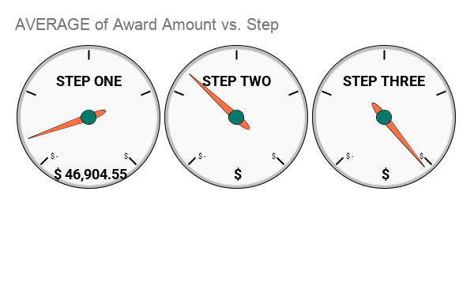

Step | AVERAGE of Award Amount
STEP ONE | $46,904.55
STEP TWO | $162,514.08
STEP THREE | $4,011,103.51

Pivot Table 5_conflict129829554
Step, STEP ONE, STEP THREE, STEP TWO, TRAINING FACILITY…

AVERAGE of Award Amount | Census Population
Step |  | 10,001-25,000 | 125,001-250,000 | 2,500-5,000 | 25,001-50,000 | 250,001-500,000 | 5,001-10,000 | 50,001-125,000 | LESS THAN 2,500 | OVER 500,000 | Grand Total
 | #DIV/0! |  |  |  |  |  |  |  | $916,500.00 |  | $916,500.00
STEP ONE |  | $53,704.48 | $195,294.09 | $28,591.20 | $105,116.05 | $423,323.89 | $40,616.47 | $250,598.55 | $12,620.58 | $475,261.56 | $46,904.55
STEP THREE |  | $3,901,438.86 | $8,936,854.42 | $1,490,863.31 | $4,579,597.16 | $4,480,332.57 | $2,286,851.30 | $9,128,524.18 | $638,629.00 | $36,175,357.70 | $4,011,103.51
STEP TWO |  | $173,588.21 | $602,600.00 | $96,120.38 | $195,491.86 | $646,424.50 | $144,850.74 | $420,709.90 | $35,038.94 | $3,110,165.00 | $162,514.08
TRAINING FACILITY |  |  |  |  |  |  |  |  | $250,000.00 |  | $250,000.00
Grand Total | #DIV/0! | $868,530.10 | $3,896,761.66 | $306,667.97 | $1,451,021.59 | $2,025,838.44 | $419,926.68 | $2,462,567.38 | $88,569.39 | $12,416,406.03 | $723,317.87

Award by Census Pop
Amount of Award Money by Census Population

LESS THAN 2,500 | $76,081,106.00
2,500-5,000 | $71,453,637.00
5,001-10,000 | $78,526,290.00
10,001-25,000 | $151,992,768.00
25,001-50,000 | $150,906,245.00
50,001-125,000 | $169,917,149.00
125,001-250,000 | $113,006,088.00
250,001-500,000 | $36,465,092.00
OVER 500,000 | $384,908,587.00

Wait Time
Time between "Application Received" and "Award Date" (January, February, March 1976)
 | Days | Weeks | Years
Mean | 107.34 | 15.3 | 0.3
Median | 59 | 8.4 | 0.2
Mode | 28 | 4.0 | 0.1
Max | 1,165 | 166.4 | 3.2
Min | -296 | -42.3 | -0.8

Wait Time by Award Amount

LESS THAN 2,500 | 107
2,500-5,000 | 112
5,001-10,000 | 115
10,001-25,000 | 131
25,001-50,000 | 124
50,001-125,000 | 98
125,001-250,000 | 88
250,001-500,000 | 180
OVER 500,000 | 115

Average Wait Time by Census Population

 |  |  |  |  | Wait Time by U.S. State (January, February, March 1976)

 |  |  |  | *Does not show DC, PR, VI

Grant Awards by Time
 |  | January | $104,971,896
 |  | February | $177,594,576
 |  | March | $209,928,790
 |  | April | $140,628,518
 |  | May | $322,172,726

Amount of Grant Money Awarded over time

Number of Grants Awarded by Day of the Week

Monday | 205
Tuesday | 207
Wednesday | 268
Thursday | 278
Friday | 431

